Start
Sample Monthly Budget accessible template
Contents
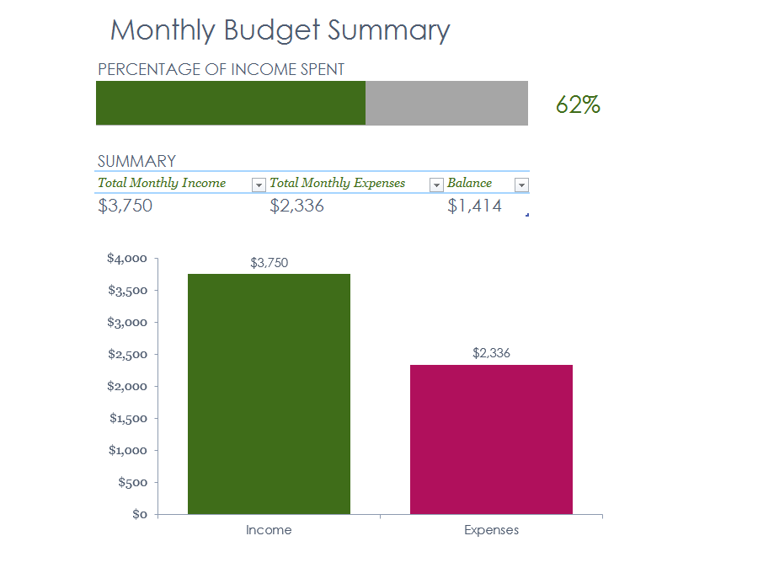
Learn how to create an accessible template in this worksheet using a Simple Monthly Budget template as an example. Each worksheet has accessible descriptions in column A, except Summary, Monthly Income, and Monthly Expenses worksheets. These accessible instructions help users navigate the tutorial, but are not commonly used when creating templates. Columns B and C contain non-accessible descriptions. Column E contains images or data relevant to the worksheet topic. This worksheet has a title, subtitle and table of contents for all tabs in this workbook. Cell B10 has the Excel logo, cells C3 through C10 has an image of the accessible Monthly Budget template and cell C10 has a navigation button that links to the Summary worksheet to get started. Press UP or DOWN ARROW in column A to read through the document. Press CTRL+PG DOWN to go to the next worksheet.
Title: Sample Monthly Budget accessible template. Descriptions for how this invoice was made accessible are outlined beneath the Contents, in this column.
Contents. Navigate through each item listed below to learn how this sample Monthly Budget was made accessible, starting with the accessible Monthly Budget Summary in the Summary worksheet. Monthly Budget template has 3 worksheets: Summary, Monthly Income, and Monthly Expenses. Additional worksheets illustrate how charts and data bars have been made accessible in this template.
Summary
Monthly Budget Summary worksheet
Monthly Income
Monthly Budget Monthly Income worksheet
Monthly Expenses
Monthly Budget Monthly Expenses worksheet
Charts
Charts
Data Bars
Data Bars
Learn More
Learn More
Let's go >
Excel logo in cell B12, Accessible Template image and navigation button in cell C12. | 

Summary
Monthly Budget Summary
PERCENTAGE OF INCOME SPENT
2336 |  |  | 62%
SUMMARY
Total Monthly Income | Total Monthly Expenses | Balance
$3,750 | $2,336 | $1,414

Charts
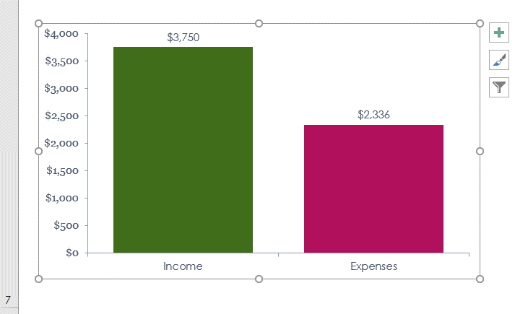
Learn the basics for how to make charts accessible within a template. Accessible instructions continue in column A. Press UP or DOWN ARROW in column A to read through the document. Press CTRL+PG DOWN to go to the next worksheet.
Title: Charts | Charts
Overview: Charts have limited accessibility support. Here are some ways to make them more accessible. | Charts have limited accessibility support. Here are some ways to make them more accessible. |  | Chart image, below
1. Add Alt Text: Provide a description in the Alt Text properties that specifies what is in the chart. | 1 | Add Alt Text: Provide a description in the Alt Text properties that specifies what is in the chart.
For example: "Column chart comparing Total Monthly Income to Total Monthly Expenses" |  | For example: "Column chart comparing Total Monthly Income to Total Monthly Expenses"
2. Place chart in one cell: Whenever possible, place the chart within one cell or a bounded block of cells. See chart image example in cell F3. | 2 | Place chart in one cell: Whenever possible, place the chart within one cell or a bounded block of cells. See chart image example in cell F3.
3. Use Input Messages: Add input messages to the first cell that contains the chart. In the message, indicate what the chart illustrates. For instance, "A chart illustrating a comparison of the Total Monthly Income from Summary table column B6 and the Total Monthly Expenses from Summary table column C6". See chart image example in cell F8. | 3 | Use Input Messages: Add input messages to the first cell that contains the chart. In the message, indicate what the chart illustrates. For instance, "A chart illustrating a comparison of the Total Monthly Income from Summary table column B6 and the Total Monthly Expenses from Summary table column C6". See chart image example in cell F8.
4. Legend text: Make sure legend text and chart title have a minimum font size of 11 pt. | 4 | Legend text: Make sure legend text and chart title have a minimum font size of 11 pt. | Chart image 2, below
5. Color Contrast: Foreground and background colors must pass color contrast. | 5 | Color Contrast: Foreground and background colors must pass color contrast. | 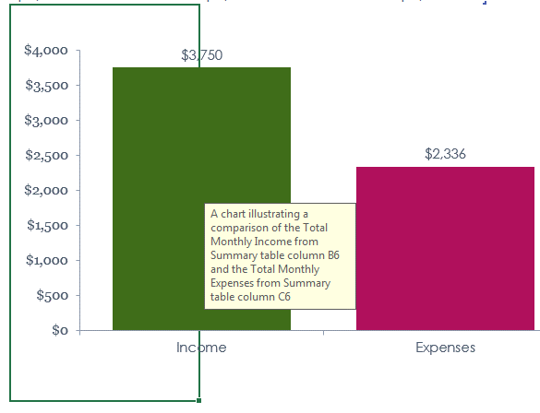

Data Bars
Learn the basics for to how make data bars accessible within a template. Accessible instructions continue in column A. Press UP or DOWN ARROW in column A to read through the document. Press CTRL+PG DOWN to go to the next worksheet.
Title: Data Bars | Data Bars
Overview: Data bars use color to fill in cells at a ratio defined by the user. Use the following tips to make these accessible. | Data bars use color to fill in cells at a ratio defined by the user. Use the following tips to make these accessible. |  | Percentage of income spent data bar image, below
1. Use Input Messages: Add an input message to the first cell that contains the data bar. In the message, indicate what the chart illustrates. For instance the following is the input message from cell B3 of the Summary worksheet: "Percentage of income spent is automatically calculated as a result of the value in E3. This value is then represented as a horizontal bar chart from cell B3 through D3". See data bar image example in cell F3. | 1 | Use Input Messages: Add an input message to the first cell that contains the data bar. In the message, indicate what the chart illustrates. For instance the following is the input message from cell B3 of the Summary worksheet: "Percentage of income spent is automatically calculated as a result of the value in E3. This value is then represented as a horizontal bar chart from cell B3 through D3". See data bar image example in cell F3. | 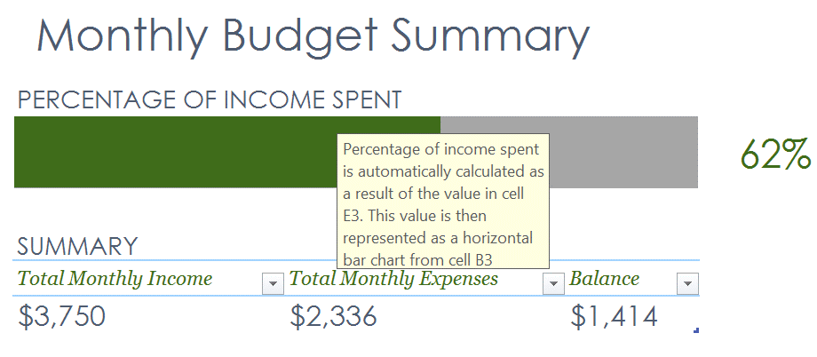
2. Color Contrast: Foreground and background colors of data bars, and cells the data bar appears within must pass color contrast. | 2 | Color Contrast: Foreground and background colors of data bars, and cells the data bar appears within must pass color contrast.

Learn More
More questions about Accessibility?
How to make Excel spreadsheets accessible
Learn more about how to create an accessible template through the links on this worksheet. Accessible instructions continue in column A. Press UP or DOWN ARROW in column A to read through the document.
Title: More questions about accessibility?
How to make Excel spreadsheets accessible

